1. Title Page
[Instacart Grocery Basket Analysis]

Project Name: Instacart Grocery Basket Analysis
Date: 29/05/2024
Analyst Name: Tiziano Chiaromonte

Contents:
Population Flow
Consistency checks
Wrangling steps
Column derivations
Visualizations
Recommendations

2. Population Flow
 | Title page

Population flow

Exclusion flag
Condition: max_order < 5
Obervations to be removed: 1,440,045
Final total count of order_products_all: 30,959,687

Orders_products_combined
Orders_products_merged
Orders_products_all

Total:
Total: 32,434,489
Total: 32,399,732
32,399,732

1.) The grey boxes in the first row of the population flow represent the original data sets as they were when you downloaded them. In the Total fields you need to add the count of the rows when you imported the data set into Jupyter.
2.) The second row of boxes (coloured) represents the data sets after you manipulated them, e.g., removed missing values and duplicates. In the Total fields you need to add the count of the rows after conducting these operations. This offers a visual oveview of how the data flows throughout the data consistency checks.
3.) The third row, where also the arrows are coloured, represents the merges you performed between the datasets. In the Total fields you need to add the count of the rows in the merged datasets, so that you end up with the final dataset (in the red box). Keep in mind the final dataset should be without exclusions (based on the exclusion flag).

3. Consistency checks
 |  |  |  | Title page
Consistency checks

Dataset | Missing values | Missing values treatment | Duplicates
orders | 206,209 (days_since_prior) | Flag creation | n/a
products | 16 | deleted | 5
orders_products_merge | n/a | n/a | n/a
customers | n/a | n/a | n/a
ords_prods_customers | n/a | n/a

4. Wrangling steps
 |  |  |  | Title page
Wrangling steps

Columns dropped | Columns renamed | Columns' type changed | Comment/Reason
 | order_dow
eval_set
 | Gender |  | decapitilised for consistency reasons
 | State |  | decapitilised for consistency reasons
 | _merge |  | the original named created error while merging with orders/products data set
 | Age
First_name |  |  | not useful for analysis
surname
 |  | order_id (from int to str) | minimize memory consumption
 |  | User_id (from int to str) | minimize memory consumption
 |  | product_id (int64 to int32) | minimize memory consumption
 |  | department_id (int64 to int8) | minimize memory consumption
 |  | orders_days_of_week (int64 to int8) | minimize memory consumption
 |  | add_to_cart (int64 to int16 | minimize memory consumption
 |  | reordered (int64 to int16) | minimize memory consumption
 |  | max_order (int64 to int32) | minimize memory consumption
 |  | age (int64 to int8) | Merging process
 |  | income (int64 to int32) | minimize memory consumption
 |  | n_dependents (int64 to int32) | minimize memory consumption

5. Column derivations
 |  |  |  | Title page

Column derivations and aggregations

In this tab you should add tables below that the frequences of flags/label variables that you produced after deriving them. NB: don't do this for continuous variables, only for flags.
Dataset | New column | Column/s it was derived from | Conditions
orders_checked | first_order | days_since_prior_order | ["days_since_prior_order"].isnull() True (206,209) False (3,214,874)
orders_products_merged_v2 | price_range_loc | prices | High-range product (412,551): "prices" > 15 Mid-range product (21,860,860): 5 < "prices" <=15 Low-range product (10,126,321): "prices" <= 5
orders_products_merged_v2 | busiest_days | orders_day_of_week | Busiest days (11,862,627): if value in [0, 1] Slowest days (7,623,037): elif value in [3, 4] Regularly busy (12,914,068): else (value in [2, 5, 6])
orders_products_merged_v2 | busiest_period_of_day | order_hour_of_day | Most orders (21,114,733): if value in [10, 11, 14, 15, 13, 12, 16, 9] Average orders (9,996,048): elif value in [17, 8, 18, 19, 20, 7, 21, 22] Fewest orders (1,288,951): else (value in [23, 6, 0, 1, 5, 2, 4, 3])
orders_products_merged_v3 | loyalty_flag | max_order (which was derived from user_id & order_number) | Loyal customer (10,282,763): "max_order" > 40 Regular customer (15,874,128): 10 < "max_order" <= 40 New customer (6,242,841): "max_order" <= 10
orders_products_merged_v4 | spending_flag | user_mean_product_price (which was derived from user_id & prices) | Low spender (32,280,013): "user_mean_product_price" < 10 High spender (119,719): "user_mean_product_price" >= 10
orders_products_merged_v4 | frequency_flag | median_days_between_orders (which was derived from user_id & days_since_prior_order) | Frequent customer (21,556,644): "median_days_between_orders" <= 10 Regular customer (7,207,340): 10 < "median_days_between_orders" <= 20 Non-frequent customer (3,635,743): "median_days_between_orders" > 20 nan (5): The result of 5 customers who only ever made 1 purchase and thus had no value in "median_days_between_orders"
orders_products_all | region | state | Northeast (5,721,892): "State" isin ['Maine', 'New Hampshire', 'Vermont', 'Massachusetts', 'Rhode Island', 'Connecticut', 'New York', 'Pennsylvania', 'New Jersey'] Midwest (7,596,065): "State" isin ['Wisconsin', 'Michigan', 'Illinois', 'Indiana', 'Ohio', 'North Dakota', 'South Dakota', 'Nebraska', 'Kansas', 'Minnesota', 'Iowa', 'Missouri'] West (8,291,679): "State" isin ['Idaho', 'Montana', 'Wyoming', 'Nevada', 'Utah', 'Colorado', 'Arizona', 'New Mexico', 'Alaska', 'Washington', 'Oregon', 'California', 'Hawaii'] South (10,790,096): "State" isin ['Delaware', 'Maryland', 'District of Columbia', 'Virginia', 'West Virginia', 'North Carolina', 'South Carolina', 'Georgia', 'Florida', 'Kentucky', 'Tennessee', 'Mississippi', 'Alabama', 'Oklahoma', 'Texas', 'Arkansas', 'Louisiana']
orders_products_all | age_group | age | Young Adult (3,863,867): "age" <= 25 Adult (9,213,093): 25 < "age" < 45 Older Adult (9,688,461): 45 <= "age" < 65 Senior (8,194,267): "age" >= 65
orders_products_all | income_group | income | Low (3,362,554): "income" <= 50,000 Middle (13,394,719): 50,000 < "income" <= 100,000 High (14,202,414): "income" > 100,000
orders_products_all | dependants_flag | n_dependants | No Dependants (7,738,508): "n_dependants" = 0 Has Dependants (23,221,179): "n_dependants" > 0

6. Visualizations
 |  |  |  | Title page

Visualisations

In this tab you should include all the visualtions from Exercises 4.9 and 4.10, alongside the questions from the project brief that they answer. Include any commentary on the relationship between different variables.

Busiest days of the week and hours of the day




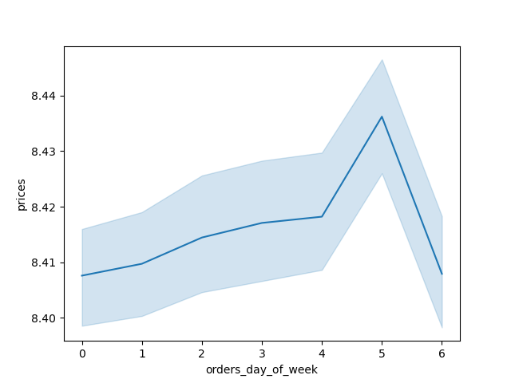

 | The first chart is based of the numbers of orders per hour (on 24 hours) and suggest that the busiest hours are between 9AM and 5PM. On the second column chart, which counts the numbers of orders weekly, we can observe that Saturday and Sunday are the busiest days (presented here respectively as O and 1)

Particular times of the day when people spend the most money

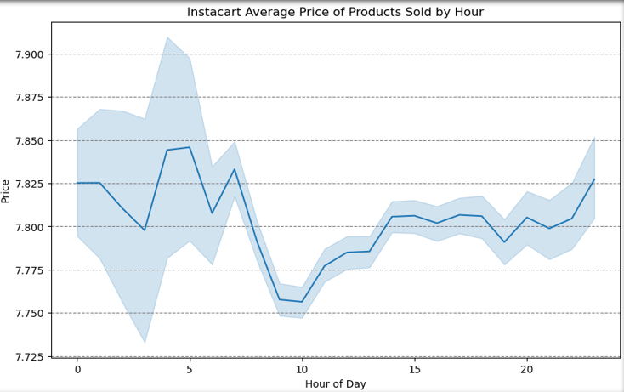

 |  |  | Although we don't notice a big difference though the hours when we observe the average
 |  |  | Between 4 to 6AM the average of price is at its highest.

Simpler price range groupings and order counts

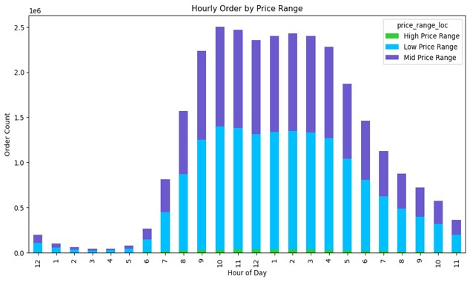

 |  |  | I divided the price tags into three categories going from low to mid and hig price range.
 |  |  | Compared to the demand for low to mid-priced products, the histogram below indicates that demand for items priced over $20 is minimal.

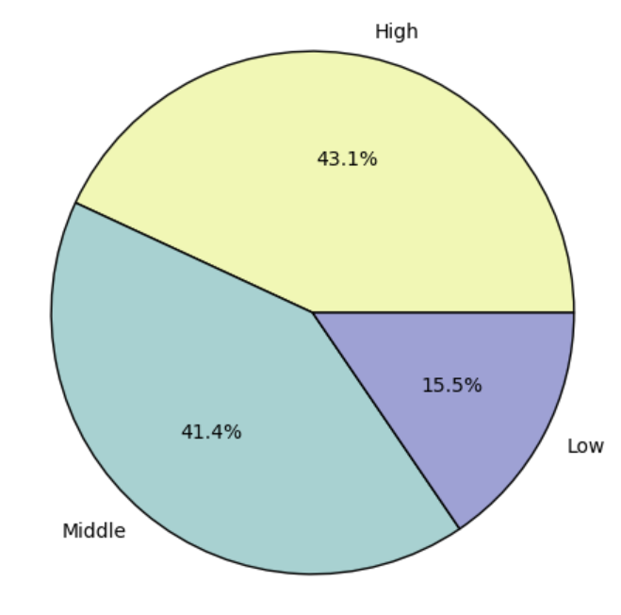
 | Spending habits by income, age, and regions

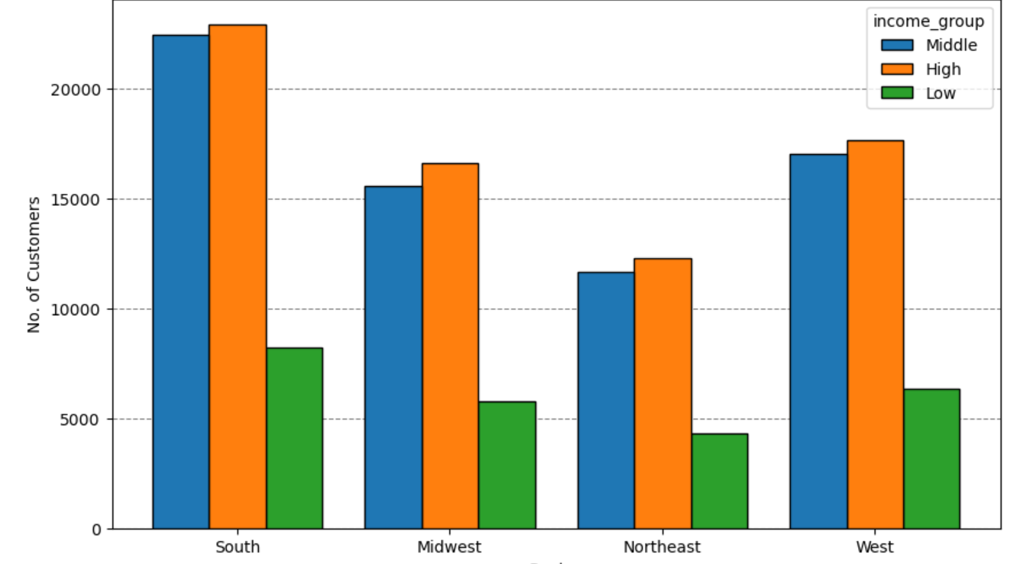

 | In order to have a better view the profiles of the customers and their habits, we divided them in 4 regions: South, Midwest, Northeast and West.
 | We can notice on this column chart that most of the Instacard customers are between Middle and High income group. The Southern region is the most concerned since it count up to 23 000 of high income customers for only 12000 of the same category in the Northeast.
 | The pie chart concerned all regions and can give us a better visual of the income of the instacard customers.

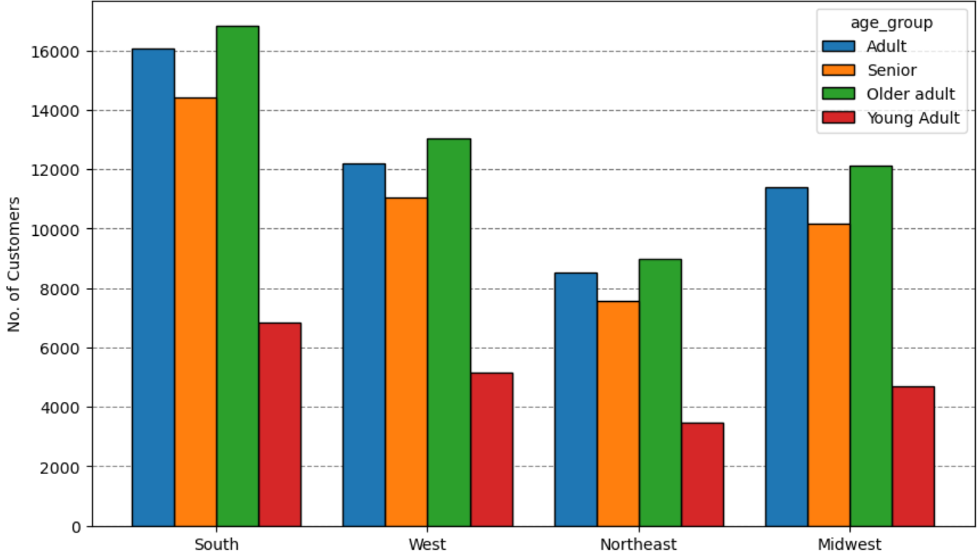

 |  | While drawing profiles of the customers, it seems interesting to observe their age, that we divided into 4 different groups: Senior, Older adult, Adult and Young adult.
 |  | In all regions, it seems that older adults (60 to 75) are more concerned by a shop delivery service, followed closely by the adult category (30 to 60 years old).
 |  | The young adult are the one who use the less our services in all regions.

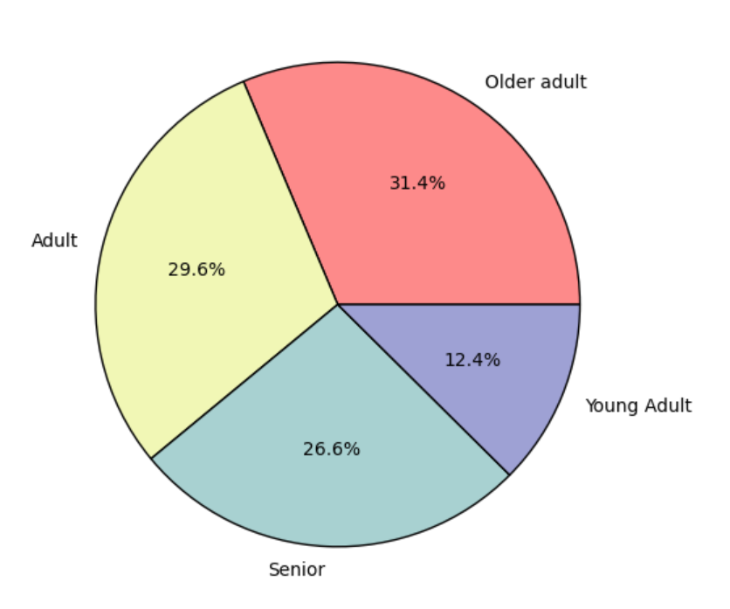

 | On this pie chart, we can have a better visual of the age of the customers in all regions.

Product departments popularity

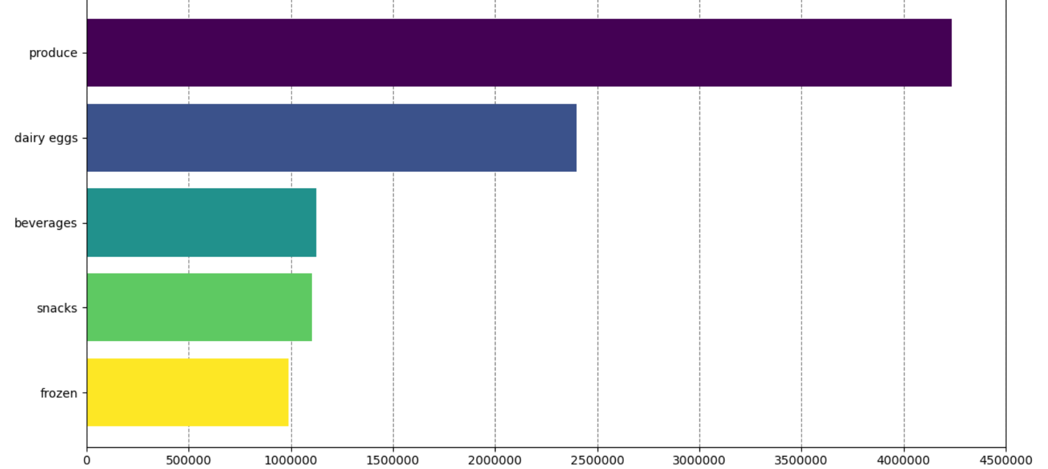

On this bar chart, we can observe the top 5 of departments that sale the most to the higher earner. We can observe that the first two are concerning products that are brought daily and that are considered as fresh (vegetables, fruits, daily eggs), followed by beverages, snacks and frozen products.

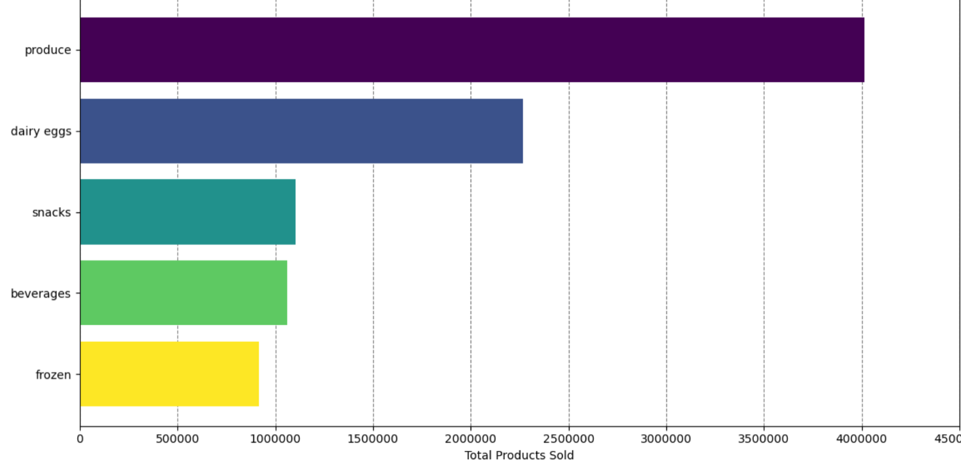

On this bar chart, we can observe the top 5 of departments that sale the most to the middle earner. We can observe that the most popular products are the same than the products sold to the higher earn

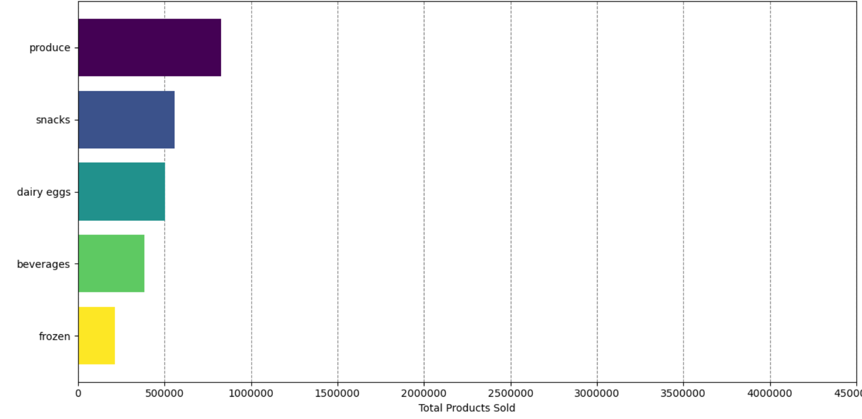

About the lower earner, which are way fewer compared to the higher and middle earner, we can notice that the snacks are more popular than the daily eggs.

Loyalty

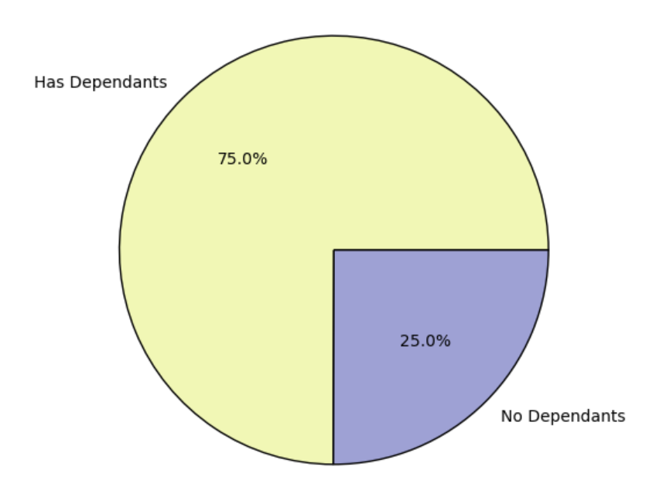

 | 75% are dependents, which is a very big part of the total customers

 | Family Status

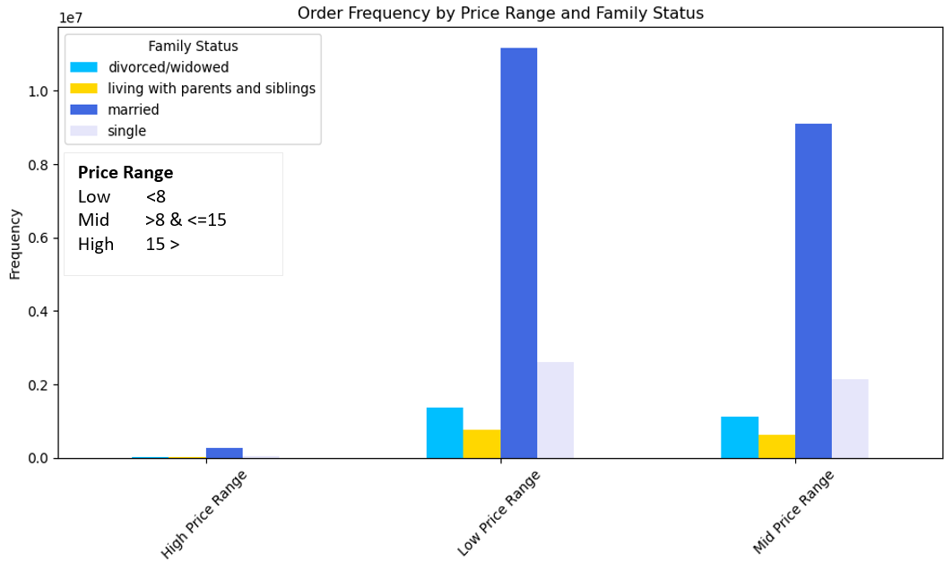

 | The order frequency concerning the family status is pretty clear about the fact that most of the instacard customers are married couple.

7. Recommendations
 |  | Title page

Recommendations

In this tab you should include any recommendations you would made to Instcart in terms of their marketing strategy based on the questions posed in the brief. Every key question has been covered in the Tasks of the Exercises - here you need to add an item - a visualisation or table/crosstable that is showing the answer in the data, acompanied by a comment from you. Please, list the questions below and add the answer underneath.

What are the busiest days of the week and hours of the day? | The weekends is the busiest time of the day. Focus advertisment on daily shopping. Schedule promotional deals for slow days and hours to boost activity during these low-traffic times. Advertise promotional deals during peak periods to reach the maximum audience.
Are there particular times of the day when people spend the most money? | Between 8am and 5pm, Instacard customer tend to spend more money (an average of 8 dollars and more), we could focus advertisment on evenngs shoppings
What are the price range groupings? | High-priced products are not gaining much interest. To enhance their attractiveness, try these approaches: Run limited-time discounts during peak shopping times, when customers are more likely to spend. Use influencers to promote these products on social media. Provide samples alongside popular items so customers can experience their value firsthand. Delve deeper into researching spending habits and preferences, with a particular emphasis on the mid-price range. Extracting insights from this data can significantly enhance sales margins.
Are there certain types of products that are more popular than others? | Fresh products are most popular in high and middle incomes. Focus advertisment on fresh and cheap product to attract low incomes.
What are the different types of customers in their system and how their ordering behaviors differ? | Yes, we can see the difference between dependent and independent customer (who don't order after 20 days). We could encourage patrons to progress through various loyalty categories and gain associated perks. Implement loyalty programs to incentivize returning to the platform for grocery shopping.
What’s the distribution among users in regards to their brand loyalty (i.e., how often do they return to Instacart)? | Most of our customers are customers who return to instacard after purchasing.
Are there differences in ordering habits based on a customer’s region? | Southern regions are the most concerned for all categories, customer could be up to 200 000 and marketing should take in consideration this region, especially for middle and high income.
Is there a connection between age and family status in terms of ordering habits? | The majority of Instacart's customer base comprises married adults, spanning both seniors and young adults. Marketing could focus on items that would mopre concerned single categories in order to attract other customers
What different classifications does the demographic information suggest? Age? Income? Certain types of goods? Family status? | As we can oberve in our different graphic, classifying the different categories of customers between their age, marital status and region allows use to establish a profile of the average customer and help us to focus marketing either on growing this customer group or attracting new customers. the average customer is a married, older adult or adult who live mostly in the South.

